1. Title Page
Instacart Grocery Basket Analysis

Project Name: Instacart Grocery Basket Analysis
Date: 26 May 2024
Analyst Name: Vanessa Lim Singh

The Instacart Online Grocery Shopping Dataset 2017” Accessed from www.instacart.com/datasets/grocery-shopping-2017 via Kaggle on [15 May 2024].

Contents:
Population Flow
Consistency checks
Wrangling steps
Column derivations
Visualizations
Recommendations

2. Population Flow
Title page

Population flow

Orders_products_combined
Orders_products_merged
Orders_products_all

Total: 32404859
Total: 32434489
Total: 32404859

3. Consistency checks
 |  |  |  | Title page
Consistency checks

Dataset | Missing values | Missing values treatment | Duplicates
orders | 206,209 missing values for days_since_prior_order | A cross check was done to verify if missing values meant it was a new customer as there can’t be any days before a first order for new customers. The results confirm this assumption. | No duplicates found.
products | 16 missing values for 'product_name' | A new dataframe without the missing rows was created. These rows were removed in the exported data 'products_checked' as there is no way of filling missing values for this column, and 16 is an insignificant number of rows, forming less than 1% of the dataset. | 5 rows of duplicated data were removed.

4. Wrangling steps
 |  |  |  | Title page
Wrangling steps - products

Columns dropped | Columns renamed | Columns' type changed | Comment/Reason
NA | NA | NA | This dataset was merged with the orders dataset to produce the final dataset ords_prods_merge_4-10.pkl

Wrangling steps - departments

Columns dropped | Columns renamed | Columns' type changed | Comment/Reason
NA | NA | NA | The dataset containing the names departments and department_id was transposed and merged onto the orders dataset to produce ords_prods_merge_4-10.pkl

Wrangling steps - orders

Columns dropped | Columns renamed | Columns' type changed | Comment/Reason
> eval_set column dropped > 'Unnamed: 0.2','Unnamed: 0.1', 'Unnamed: 0_x', 'Unnamed: 0_y dropped from merged data set of orders and products. | NA | > Values above 100 under the 'prices' column' were assigned as missing 'NaN' in the dataset. > all values above 100 under the 'prices' column were replaced as nan/missing as these are outliers and would not be realistic in the context of supermarket item prices. | > Columns dropped were not required. > Values such as 99,000 (and above 100) could not be a price of an item at a grocery store.

Wrangling steps - customers

Columns dropped | Columns renamed | Columns' type changed | Comment/Reason
First name and last name | fam_status > staus STATE > State n_dependants > Dependants | First name and last name | > A 'full name' column was created and merged onto the orders dataset to produce the final dataset 'ords_prods_merge_4-10.pkl'. > Upon reviewing, this column was removed due to a data privacy concern (personally identifiable information)

5. Column derivations
Column derivations and aggregations

Dataset | New column | Column/s it was derived from | Conditions
ords_prods_merge_4-10.pkl | Busiest days | order_dow | 0, 1 (Saturday and Sunday) = busiest days 4 (Wednesday) = least busy Everything else = regularly busy
 | busiest_period_of_day | order_hour_of_day | 10, 11, 14, 15, 13, 12, 16, 9 = most orders 3, 4, 2,5,1,0,6,23 = fewest orders Everything else = Average orders
 | max_order | user_id and order_number | The maximum order number for each user.
 | loyalty_flag | max_order | > 40 = 'Loyal customer' <= 40 & > 10) = 'Regular customer' <= 10 = 'New customer'
 | ave_prices | prices
 | spend_flag | ave_prices | If the mean of the prices of products purchased by a user is lower than 10, then flag them as a “Low spender.” If the mean of the prices of products purchased by a user is higher than or equal to 10, then flag them as a “High spender.”
 | median_days_since_prior_order | days_since_prior_order | Calculated the media of days_since_prior_order
 | freq_flag | median_days_since_prior_order | If the median of “days_since_prior_order” is higher than 20, then the customer should be labeled a “Non-frequent customer.” If the median is higher than 10 and lower than or equal to 20, then the customer should be labeled a “Regular customer.” If the median is lower than or equal to 10, then the customer should be labeled a “Frequent customer.”
 | region | State | each state was labelled region 1,2,3 or 4.
 | price_range_loc | prices | prices' > 15 = 'High-range product' 'prices' <= 15 = 'Mid-range product' 'prices' <= 5 = 'Low-range product'
 | activity_flag | max_order | < 5 orders, 'Activity Flag'] = 'low activity' >= 5, 'Activity Flag'] = 'regular activity' 'low activity' excluded from final analysis
 | Customer_Profile | income, number of dependants and status | Bargain finder: living with parents and siblings, lower than average income, and 2 or more dependants. Luxury lover: single or married or divorced/widowed, higher than average income, and 1 or less dependants Regular shopper: Everything else will be categorised as a regular shopper that likely purchases a range of products.
Customers | Full name | First name and Surname | First Name and Surname were combined into Full Name > Upon reviewing, this column was removed due to a data privacy concern (personally identifiable information)

6. Visualizations
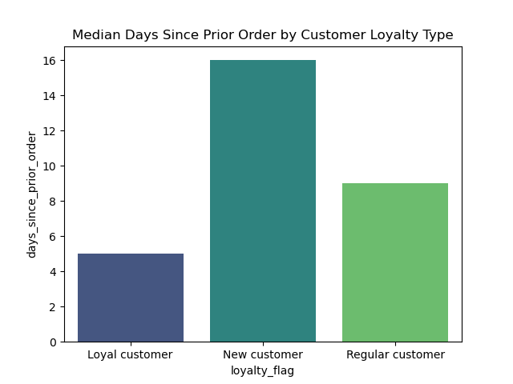
 |  | Title page

Visualisations

Busiest days of week: Friday, Saturday, Sunday | Busiest hours of days: 10,11,14,13,15,12,16,9 |  | Expenditure by time of day | Expenditure by time of day

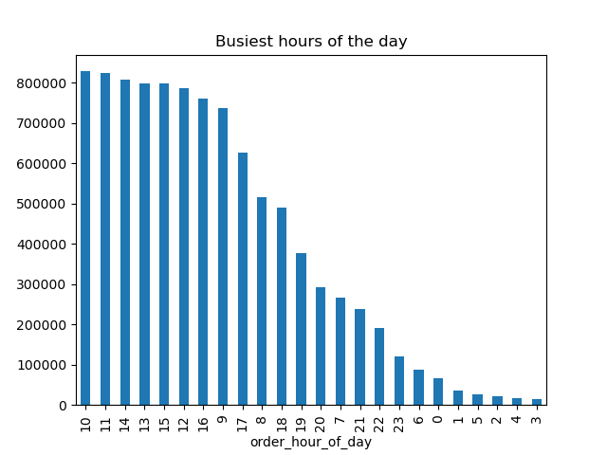
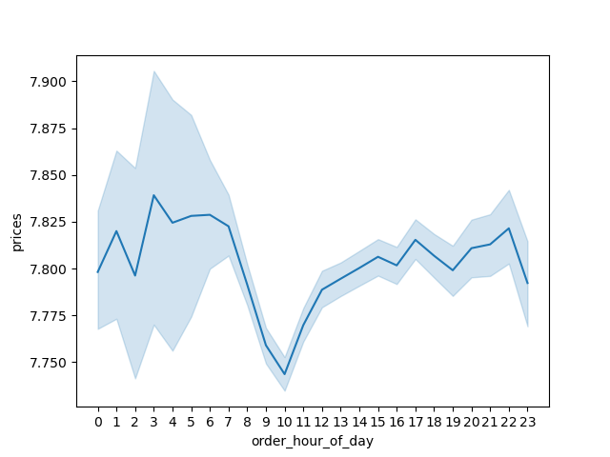
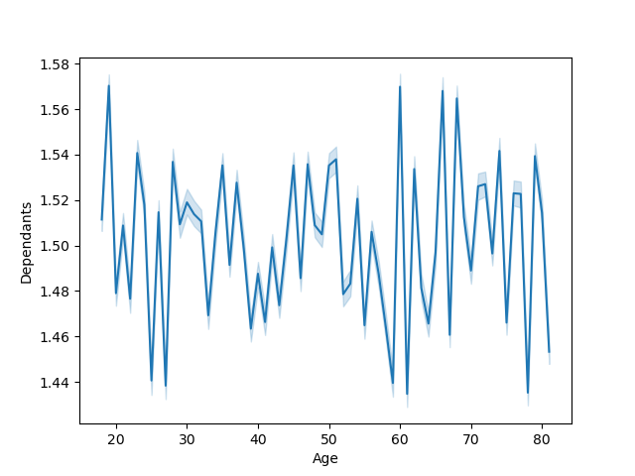


Analysis of customer profiles

Most popular departments | Region 3 has the highest number of customers, which highlights more demand in this region in general.

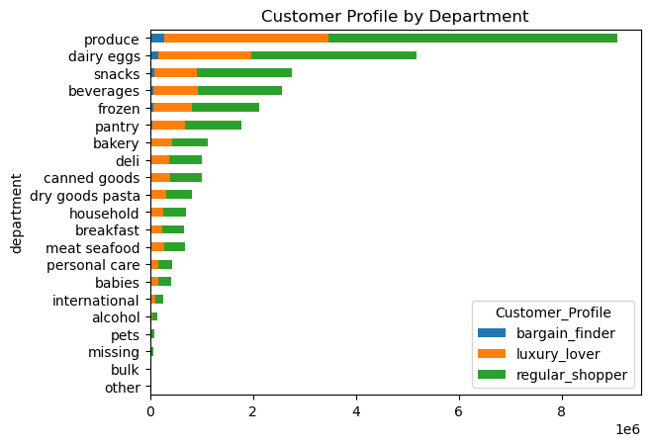
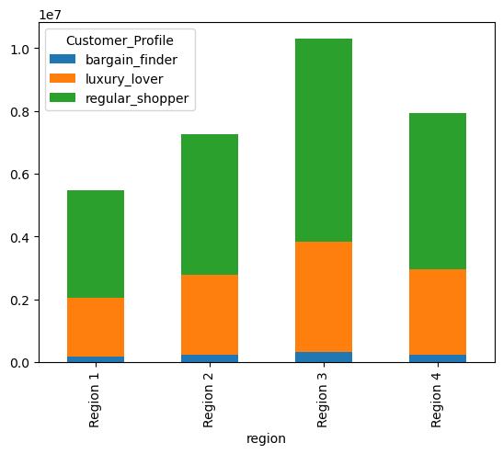

Analysis of customer loyalty

Loyal customers return to Instacart the most often. Median results: Loyal customers : 5 days after prior order Regular customers : 9 days after prior order New customers : 16 days after prior order

7. Recommendations
 |  |  |  | Title page

Summary and recommendations

Question | Answer
Busiest days of the week and hours of the day | Busiest days of week: Friday, Saturday, Sunday
 | Busiest hours of the day: 10,11,14,13,15,12,16,9

Particular times of the day when people spend the most money | Expenditure is highest from 0-7:00, and drops from 08:00. It then starts to increase again from 10:00 to 22:00.

 |  | 0 | Mid-range product
Instacart has a lot of products with different price tags. Marketing and sales want to use simpler price range groupings | A price_range flag where products were categories into: high-range product, mid-range product, and low-range product. This would help the issue of having many differnet price tags and enable the marketing team to target ads based on the 3 categories of products instead. | 1 | Low-range product
 |  | 2 | High-range product

Are there certain types of products that are more popular than others | When looking at customer profiles, the top departments are: dairy eggs, snacks, beverages, frozen, pantry. The top 3 departments for 'luxury lovers' are produce, dairy eggs and beverages. The top 3 departments for 'regular_shoppers' are produce, dairy eggs and snacks. This is similar for 'bargain_finders'.

What’s the distribution among users in regards to their brand loyalty | Loyal customers return to Instacart the most often. This is followed by regular customers, then new customers

Are there differences in ordering habits based on a customer’s region | Region 3 sees the highest number of orders.

Is there a connection between family status in terms of ordering habits | Looking at the count of orders for the different family statuses, we found that 'married' people placed significantly more orders compared to the other categories under 'Status'. | Status | median_days_since_prior_order
 |  | living with parents and siblings | 1481172
 |  | divorced/widowed | 2645271
 |  | single | 5094410
 |  | married | 21743711

What differences can you find in ordering habits of different customer profiles | Three customer profiles were created to create more-relevant marketing strategies for different products. As products come at different price points, the profiles were divided into categories of shoppers that might have a greater propensity to purchase higher priced products, shoppers that buy a mix of items, and shoppers that might be more interested in deals. These were named: luxury lovers, regular shoppers, and bargain finders.

 | Region 3 has the highest number of customers, which highlights more demand in this region in general. It also has the highest number of luxury shoppers, which means the marketing team could spend more on ads promoting higher priced items.

Summary of recommendations | > As we now know the busiest days of the week and hours, the marketing team can schedule more ads outside of this window.
 | > We've also discovered specific hours of the day where customers spend more, enabling the marketing team to advertise higher priced products during these times.
 | > With the 'price_range' flag added, this would solve the issue of having many different price tags and enable the marketing team to target ads based on the 3 categories of products instead.
 | > Across the board the top departments are: product, dairy eggs, snacks, beverages, frozen, pantry.
 | > The top 3 departments for 'luxury lovers' are produce, dairy eggs and beverages, and the top 3 departments for 'regular_shoppers' and 'bargain_finders' are produce, dairy eggs and snacks. The marketing team could fine tune their targeting for 'luxury shoppers' based on this insight.
 | > Loyal customers return most frequently. A loyalty programme could be introduced to reward them as they spend more.
 | > Region 3 has the highest number of customers, therefore more marketing budget could be allocated for region 3. This also translates to having the most number of 'luxury shoppers', therefore higher priced products could be advertised more frequently in region 3.
 | > We found that married people place significantly more orders that other family statuses. The marketing team should allocate more ad budget for this category of people to drive even more sales.

